AdF
PHOTO | Refer. | Colour | BOX | BRAND | Total | 35 | 36 | 37 | 38 | 39 | 40 | 41 | 42 | 43 | 44 | 45 | 46 | 47
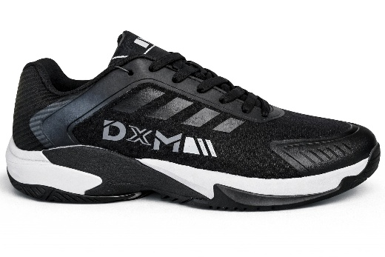 | DXM001 | BLACK | DXM | DXM | 586 |  | 18 | 40 | 64 | 70 | 70 | 100 | 100 | 64 | 40 | 20
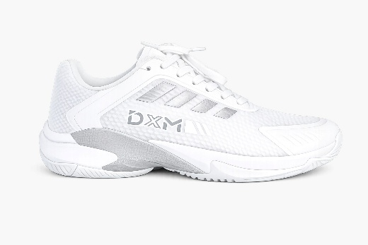 | DXM001 | WHITE | DXM | DXM | 586 |  | 18 | 40 | 64 | 70 | 70 | 100 | 100 | 64 | 40 | 20
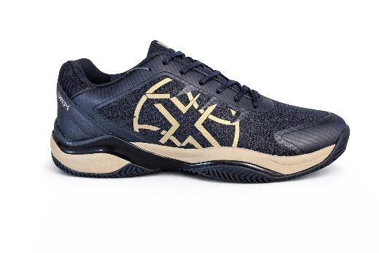 | DXM002 | BLACK | DXM | DXM | 398 |  | 15 | 28 | 45 | 45 | 28 | 74 | 74 | 46 | 28 | 15
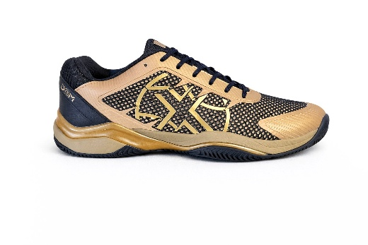 | DXM002 | GOLDEN | DXM | DXM | 398 |  | 15 | 28 | 45 | 45 | 28 | 74 | 74 | 46 | 28 | 15
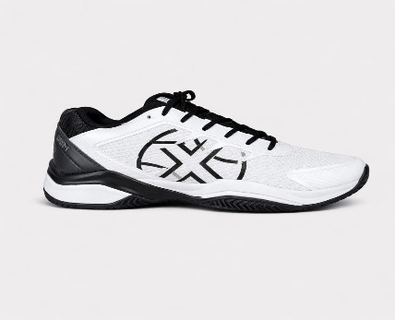 | DXM002 | WHITE | DXM | DXM | 398 |  | 15 | 28 | 45 | 45 | 28 | 74 | 74 | 46 | 28 | 15
 |  |  |  |  | 2366

